Sheet1
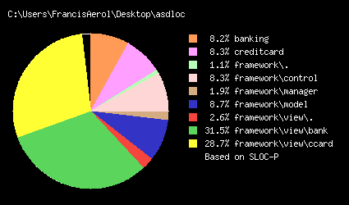
Summary of code sizes from Project
 | Package | Class | size (LOC)
Framework | framework | Client.java | 43
 | framework\control | Controller.java | 6
 | framework\control | CustomerFactory.java | 39
 | framework\control | FactoryMaker.java | 12
 | framework\control | IController.java | 27
 | framework\control | command\AddInterest.java | 34
 | framework\control | command\Deposit.java | 35
 | framework\control | command\GenerateReport.java | 43
 | framework\control | command\Transaction.java | 11
 | framework\control | command\TransactionManager.java | 22
 | framework\control | command\TransactionTypes.java | 6
 | framework\control | command\Withdraw.java | 36
 | framework\control | functor\Functor.java | 8
 | framework\manager | AccountManager.java | 68
 | framework\model | Account.java | 79
 | framework\model | Address.java | 44
 | framework\model | Company.java | 19
 | framework\model | Customer.java | 63
 | framework\model | Entry.java | 25
 | framework\model | IAccount.java | 14
 | framework\model | IAccountFactory.java | 7
 | framework\model | IAddress.java | 24
 | framework\model | ICompany.java | 6
 | framework\model | ICustomer.java | 20
 | framework\model | ICustomerFactory.java | 21
 | framework\model | IEntry.java | 10
 | framework\model | IPersonal.java | 19
 | framework\model | PersonalCustomer.java | 34
 | framework\view | IFrame.java | 12
 | framework\view | JDialog_Report.java | 85
 | framework\view\bank | BankFrm.java | 488
 | framework\view\bank | JDialog_AddCompAcc.java | 189
 | framework\view\bank | JDialog_AddInterest.java | 97
 | framework\view\bank | JDialog_AddPAcc.java | 203
 | framework\view\bank | JDialog_Deposit.java | 87
 | framework\view\bank | JDialog_Withdraw.java | 80
 | framework\view\ccard | CardFrm.java | 366
 | framework\view\ccard | JDialog_AddCCAccount.java | 215
 | framework\view\ccard | JDialog_AddCCInterest.java | 97
 | framework\view\ccard | JDialog_AddCompAcc.java | 151
 | framework\view\ccard | JDialog_Deposit.java | 98
 | framework\view\ccard | JDialog_Withdraw.java | 95
 | framework\view\messages | Message.java | 23
Total |  | 43 | 1415
Bank | banking\ | BankController.java | 183
 | banking\accounts\ | BankAccountFactory.java | 33
 | banking\accounts\ | BankFactoryMaker.java | 10
 | banking\accounts\type\ | Checking.java | 20
 | banking\accounts\type\ | Savings.java | 19
 | banking\report\ | GenerateAccountReport.java | 22
Total | 0 | 6 | 287
Ccard | creditcard\ | CreditCardController.java | 158
 | creditcard\accounts\ | CreditCardAccountFactory.java | 37
 | creditcard\accounts\ | CreditCardFactoryMaker.java | 10
 | creditcard\accounts\type\ | Bronze.java | 23
 | creditcard\accounts\type\ | Gold.java | 23
 | creditcard\accounts\type\ | Silver.java | 25
 | creditcard\reports\ | GenerateBillReport.java | 27
Total | 0 | 7 | 303
Total |  |  | 2005

